Buyer Personas
Who They Are: | Head of Talent Acquisition, Chief Scientific Officers, and other senior roles in biotech, pharmaceutical, and medical device companies.
Needs + Challenges: | Attracting specialized talent in a niche field, managing regulatory requirements, meeting tight project timelines, and staying within budget.
Preferred Content: | In-depth articles, case studies + success stories, and detailed candidate profiles.
Decision-Making Process: | They require detailed information on candidate qualifications, regulatory compliance, and speed of hiring. Decisions are data-driven and involve consultation with department heads.
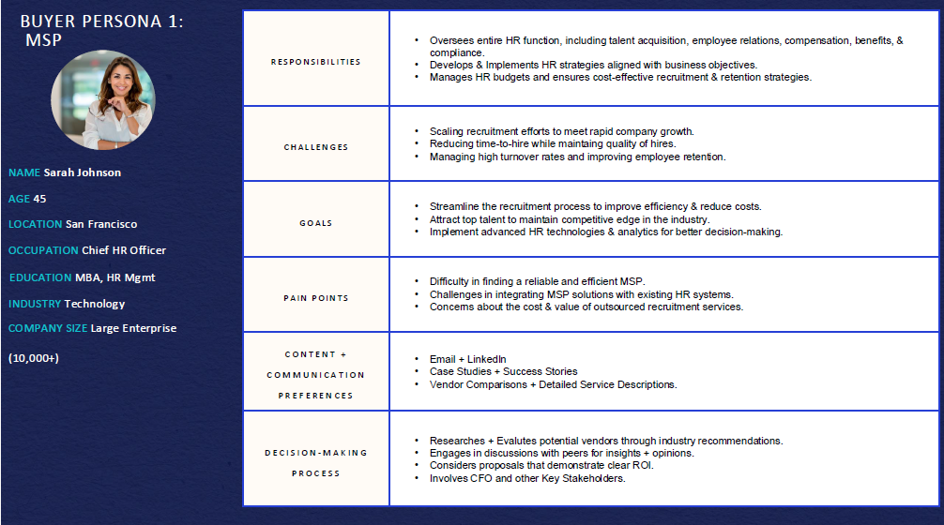
Buyer Persona 1: | Perm, Contingent
Individual/Name: |  | Responsibilities:
Company: | Kyverna | Challenges:
Age: |  | Goals:
Location: |  | Pain Points:
Title: |  | Content + Comms Preferences:
Education: |  | Decision-Making Process:
Company Size:

Buyer Persona 2: | RPO
Individual/Name: |  | Responsibilities:
Company: | Kiniksa | Challenges:
Age: |  | Goals:
Location: |  | Pain Points:
Title: |  | Content + Comms Preferences:
Education: |  | Decision-Making Process:
Company Size:

Buyer Persona 3: | Contract & Perm
Individual/Name: |  | Responsibilities:
Company: | Pliant | Challenges:
Age: |  | Goals:
Location: |  | Pain Points:
Title: |  | Content + Comms Preferences:
Education: |  | Decision-Making Process:
Company Size:

Buyer Persona 4: | Advisory & RPO
Individual/Name: |  | Responsibilities:
Company: | Servier | Challenges:
Age: |  | Goals:
Location: |  | Pain Points:
Title: |  | Content + Comms Preferences:
Education: |  | Decision-Making Process:
Company Size:

Buyer Persona 5:
Individual/Name: |  | Responsibilities:
Company: | X4, Cabaletta, | Challenges:
Age: |  | Goals:
Location: |  | Pain Points:
Title: |  | Content + Comms Preferences:
Education: |  | Decision-Making Process:
Company Size:

